S Str&Pad
Singapore |  |  | perc_baseline |  | perc_target |  | RR_d | RR_i | perc_fatal_side | perc_nonfatal_side |  |  |  | lcl_bl_deaths | lcl_bl_nonfatal |  | affected_deaths | rest_deaths | affected_deaths= affected_deaths* (1 - `prop_target'*(1-`RR_d'))/(1 - `prop_baseline'*(1-`RR_d'))
REG | TECHNOLOGY |  | CURRENT AVAILABILITY | INTERVENTION | COUNTERFACTUAL USE | Affected Groups | RELATIVE RISK (death) | RELATIVE RISK (injury) | PROP. OF SIDE CRASHES (death) | PROP OF SIDE CRASHES (injuries) | POPULATION AFFECTED |  |  | BASELINE DEATHS | BASELINE INJURIES | AFFECTED GROUP | AFFECTED DEATHS |  | INTERVENTION
UN 95, UN 135 | SIDE STR&PADD |  | 0 | SIDE STRUCTURE IN ALL CAR, TRUCK, BUS | 1 | Occupants | 0.79 | 0.79 | 0.25 | 0.337
 |  |  |  |  |  |  |  |  |  |  | Cause | Sex | Age | Deaths | Injuries | NO=0 / YES=1 | Deaths | Deaths | Deaths
 |  |  |  |  |  |  |  |  |  |  | Pedestrian | Male | <5 years | 0 | 8 | 0 | 0.00 | 0.00 | 0
 |  |  |  |  |  |  |  |  |  |  | Pedestrian | Male | 5-9 years | 0 | 31 | 0 | 0.00 | 0.00 | 0
 |  |  |  |  |  |  |  |  |  |  | Pedestrian | Male | 10-14 years | 0 | 46 | 0 | 0.00 | 0.00 | 0
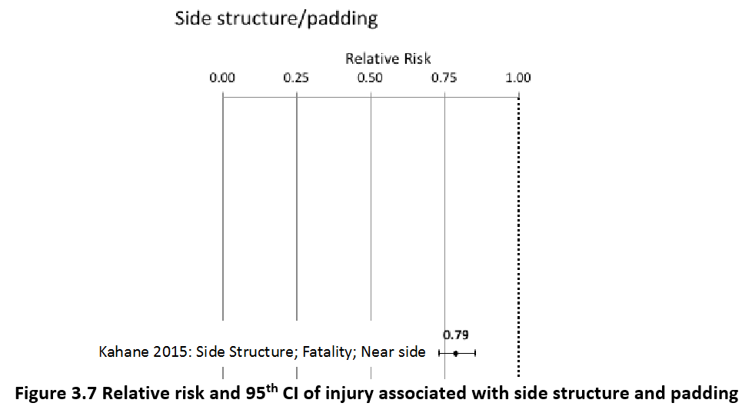
 |  |  |  |  |  |  |  |  |  |  | Pedestrian | Male | 15-19 years | 0 | 81 | 0 | 0.00 | 0.00 | 0
 |  |  |  |  |  |  |  |  |  |  | Pedestrian | Male | 20-24 years | 1 | 87 | 0 | 1.11 | 0.00 | 1
 |  |  |  |  |  |  |  |  |  |  | Pedestrian | Male | 25-29 years | 1 | 129 | 0 | 1.11 | 0.00 | 1
 |  |  |  |  |  |  |  |  |  |  | Pedestrian | Male | 30-34 years | 1 | 116 | 0 | 1.11 | 0.00 | 1
 |  |  |  |  |  |  |  |  |  |  | Pedestrian | Male | 35-39 years | 1 | 148 | 0 | 1.11 | 0.00 | 1
 |  |  |  |  |  |  |  |  |  |  | Pedestrian | Male | 40-44 years | 1 | 86 | 0 | 1.11 | 0.00 | 1
 |  |  |  |  |  |  |  |  |  |  | Pedestrian | Male | 45-49 years | 1 | 78 | 0 | 1.11 | 0.00 | 1
 |  |  |  |  |  |  |  |  |  |  | Pedestrian | Male | 50-54 years | 2 | 54 | 0 | 2.22 | 0.00 | 2
 |  |  |  |  |  |  |  |  |  |  | Pedestrian | Male | 55-59 years | 2 | 45 | 0 | 2.22 | 0.00 | 2
 |  |  |  |  |  |  |  |  |  |  | Pedestrian | Male | 60-64 years | 2 | 35 | 0 | 2.22 | 0.00 | 2
 |  |  |  |  |  |  |  |  |  |  | Pedestrian | Male | 65-69 years | 3 | 28 | 0 | 3.33 | 0.00 | 3
 |  |  |  |  |  |  |  |  |  |  | Pedestrian | Male | 70-74 years | 3 | 20 | 0 | 3.33 | 0.00 | 3
 |  |  |  |  |  |  |  |  |  |  | Pedestrian | Male | 75-79 years | 3 | 14 | 0 | 3.33 | 0.00 | 3
 |  |  |  |  |  |  |  |  |  |  | Pedestrian | Male | 80-84 years | 3 | 10 | 0 | 3.33 | 0.00 | 3
 |  |  |  |  |  |  |  |  |  |  | Pedestrian | Male | 85+ | 3 | 7 | 0 | 3.33 | 0.00 | 3
 |  |  |  |  |  |  |  |  |  |  | Pedestrian | Female | <5 years | 0 | 14 | 0 | 0.00 | 0.00 | 0
 |  |  |  |  |  |  |  |  |  |  | Pedestrian | Female | 5-9 years | 0 | 42 | 0 | 0.00 | 0.00 | 0
 |  |  |  |  |  |  |  |  |  |  | Pedestrian | Female | 10-14 years | 0 | 49 | 0 | 0.00 | 0.00 | 0
 |  |  |  |  |  |  |  |  |  |  | Pedestrian | Female | 15-19 years | 0 | 61 | 0 | 0.00 | 0.00 | 0
 |  |  |  |  |  |  |  |  |  |  | Pedestrian | Female | 20-24 years | 0 | 83 | 0 | 0.00 | 0.00 | 0
 |  |  |  |  |  |  |  |  |  |  | Pedestrian | Female | 25-29 years | 0 | 127 | 0 | 0.00 | 0.00 | 0
 |  |  |  |  |  |  |  |  |  |  | Pedestrian | Female | 30-34 years | 0 | 105 | 0 | 0.00 | 0.00 | 0
 |  |  |  |  |  |  |  |  |  |  | Pedestrian | Female | 35-39 years | 0 | 115 | 0 | 0.00 | 0.00 | 0
 |  |  |  |  |  |  |  |  |  |  | Pedestrian | Female | 40-44 years | 0 | 95 | 0 | 0.00 | 0.00 | 0
 |  |  |  |  |  |  |  |  |  |  | Pedestrian | Female | 45-49 years | 0 | 61 | 0 | 0.00 | 0.00 | 0
 |  |  |  |  |  |  |  |  |  |  | Pedestrian | Female | 50-54 years | 1 | 68 | 0 | 1.11 | 0.00 | 1
 |  |  |  |  |  |  |  |  |  |  | Pedestrian | Female | 55-59 years | 1 | 53 | 0 | 1.11 | 0.00 | 1
 |  |  |  |  |  |  |  |  |  |  | Pedestrian | Female | 60-64 years | 2 | 45 | 0 | 2.22 | 0.00 | 2
 |  |  |  |  |  |  |  |  |  |  | Pedestrian | Female | 65-69 years | 3 | 34 | 0 | 3.33 | 0.00 | 3
 |  |  |  |  |  |  |  |  |  |  | Pedestrian | Female | 70-74 years | 3 | 24 | 0 | 3.33 | 0.00 | 3
 |  |  |  |  |  |  |  |  |  |  | Pedestrian | Female | 75-79 years | 3 | 19 | 0 | 3.33 | 0.00 | 3
 |  |  |  |  |  |  |  |  |  |  | Pedestrian | Female | 80-84 years | 2 | 10 | 0 | 2.22 | 0.00 | 2
...
Singapore |  |  | perc_baseline |  | perc_target |  | RR_d | RR_i | perc_fatal_side | perc_nonfatal_side
TOTAL | 159 | 25394 | 158 | 24981
 |  | Red.Per. | 0.00525 | 0.0162771 |  |  |  |  |  |  | Bicyclist | Male | 50-54 years | 1
 |  |  |  |  |  |  |  |  |  |  | Bicyclist | Male | 55-59 years | 1
SIDE STR&PADD | BASELINE DEATHS | BASELINE INJURIES | SIDE STR&PADD | SIDE STR&PADD |  |  |  |  |  |  | Bicyclist | Male | 60-64 years | 1
Pedestrian | 48 | 2032 | 48 | 2032 |  |  |  |  |  |  | Bicyclist | Male | 65-69 years | 1
Bicyclist | 10 | 4571 | 10 | 4571 |  |  |  |  |  |  | Bicyclist | Male | 70-74 years | 1
Motorcyclist | 86 | 12697 | 86 | 12697 |  |  |  |  |  |  | Bicyclist | Male | 75-79 years | 1
Occupant | 16 | 5841 | 15 | 5427 |  |  |  |  |  |  | Bicyclist | Male | 80-84 years | 1
Other | 0 | 254 | 0 | 254 |  |  |  |  |  |  | Bicyclist | Male | 85+ | 1
TOTAL | 159 | 25394 | 158 | 24981 |  |  |  |  |  |  | Bicyclist | Female | <5 years | 0
Singapore
 | BASELINE DEATHS | SIDE STR&PADD
Pedestrian | 48 | 48
Bicyclist | 10 | 10
Motorized Two Wheeler | 86 | 86
Motorized Three Wheeler | 0 | 0
Car | 16 | 15
Bus | 0 | 0
Truck | 0 | 0
Other | 0 | 0
 |  |  |  |  |  |  |  |  |  |  | Bicyclist | Female | 5-9 years | 0
Singapore
 | BASELINE INJURIES | SIDE STR&PADD
Pedestrian | 2032 | 2032
Bicyclist | 4571 | 4571
Motorized Two Wheeler | 12697 | 12697
Motorized Three Wheeler | 0 | 0
Car | 5841 | 5427
Bus | 0 | 0
Truck | 0 | 0
Other | 254 | 254
 |  |  |  |  |  |  |  |  |  |  | Bicyclist | Female | 10-14 years | 0
 |  |  |  |  |  |  |  |  |  |  | Bicyclist | Female | 15-19 years | 0
 |  |  |  |  |  |  |  |  |  |  | Bicyclist | Female | 20-24 years | 0
 |  |  |  |  |  |  |  |  |  |  | Bicyclist | Female | 25-29 years | 0
 |  |  |  |  |  |  |  |  |  |  | Bicyclist | Female | 30-34 years | 0
 |  |  |  |  |  |  |  |  |  |  | Bicyclist | Female | 35-39 years | 0
 |  |  |  |  |  |  |  |  |  |  | Bicyclist | Female | 40-44 years | 0
 |  |  |  |  |  |  |  |  |  |  | Bicyclist | Female | 45-49 years | 0
 |  |  |  |  |  |  |  |  |  |  | Bicyclist | Female | 50-54 years | 0
 |  |  |  |  |  |  |  |  |  |  | Bicyclist | Female | 55-59 years | 0
 |  |  |  |  |  |  |  |  |  |  | Bicyclist | Female | 60-64 years | 0
 |  |  |  |  |  |  |  |  |  |  | Bicyclist | Female | 65-69 years | 0
 |  |  |  |  |  |  |  |  |  |  | Bicyclist | Female | 70-74 years | 0
 |  |  |  |  |  |  |  |  |  |  | Bicyclist | Female | 75-79 years | 0
 |  |  |  |  |  |  |  |  |  |  | Bicyclist | Female | 80-84 years | 0
 |  |  |  |  |  |  |  |  |  |  | Bicyclist | Female | 85+ | 0
 |  |  |  |  |  |  |  |  |  |  | Motorized Two Wheeler | Male | <5 years | 0
 |  |  |  |  |  |  |  |  |  |  | Motorized Two Wheeler | Male | 5-9 years | 0
 |  |  |  |  |  |  |  |  |  |  | Motorized Two Wheeler | Male | 10-14 years | 0
 |  |  |  |  |  |  |  |  |  |  | Motorized Two Wheeler | Male | 15-19 years | 7
Singapore
Singapore
 |  |  |  |  |  |  |  |  |  |  | Motorized Two Wheeler | Male | 20-24 years | 10
 |  |  |  |  |  |  |  |  |  |  | Motorized Two Wheeler | Male | 25-29 years | 10
 |  |  |  |  |  |  |  |  |  |  | Motorized Two Wheeler | Male | 30-34 years | 9
 |  |  |  |  |  |  |  |  |  |  | Motorized Two Wheeler | Male | 35-39 years | 9
 |  |  |  |  |  |  |  |  |  |  | Motorized Two Wheeler | Male | 40-44 years | 5
 |  |  |  |  |  |  |  |  |  |  | Motorized Two Wheeler | Male | 45-49 years | 7
 |  |  |  |  |  |  |  |  |  |  | Motorized Two Wheeler | Male | 50-54 years | 5
 |  |  |  |  |  |  |  |  |  |  | Motorized Two Wheeler | Male | 55-59 years | 5
 |  |  |  |  |  |  |  |  |  |  | Motorized Two Wheeler | Male | 60-64 years | 7
 |  |  |  |  |  |  |  |  |  |  | Motorized Two Wheeler | Male | 65-69 years | 5
 |  |  |  |  |  |  |  |  |  |  | Motorized Two Wheeler | Male | 70-74 years | 2
 |  |  |  |  |  |  |  |  |  |  | Motorized Two Wheeler | Male | 75-79 years | 2
 |  |  |  |  |  |  |  |  |  |  | Motorized Two Wheeler | Male | 80-84 years | 0
 |  |  |  |  |  |  |  |  |  |  | Motorized Two Wheeler | Male | 85+ | 0
 |  |  |  |  |  |  |  |  |  |  | Motorized Two Wheeler | Female | <5 years | 0
 |  |  |  |  |  |  |  |  |  |  | Motorized Two Wheeler | Female | 5-9 years | 0
 |  |  |  |  |  |  |  |  |  |  | Motorized Two Wheeler | Female | 10-14 years | 0
 |  |  |  |  |  |  |  |  |  |  | Motorized Two Wheeler | Female | 15-19 years | 2
 |  |  |  |  |  |  |  |  |  |  | Motorized Two Wheeler | Female | 20-24 years | 2
 |  |  |  |  |  |  |  |  |  |  | Motorized Two Wheeler | Female | 25-29 years | 0
 |  |  |  |  |  |  |  |  |  |  | Motorized Two Wheeler | Female | 30-34 years | 0
 |  |  |  |  |  |  |  |  |  |  | Motorized Two Wheeler | Female | 35-39 years | 0
 |  |  |  |  |  |  |  |  |  |  | Motorized Two Wheeler | Female | 40-44 years | 0
 |  |  |  |  |  |  |  |  |  |  | Motorized Two Wheeler | Female | 45-49 years | 0
 |  |  |  |  |  |  |  |  |  |  | Motorized Two Wheeler | Female | 50-54 years | 0
 |  |  |  |  |  |  |  |  |  |  | Motorized Two Wheeler | Female | 55-59 years | 0
 |  |  |  |  |  |  |  |  |  |  | Motorized Two Wheeler | Female | 60-64 years | 0
 |  |  |  |  |  |  |  |  |  |  | Motorized Two Wheeler | Female | 65-69 years | 0
 |  |  |  |  |  |  |  |  |  |  | Motorized Two Wheeler | Female | 70-74 years | 0
 |  |  |  |  |  |  |  |  |  |  | Motorized Two Wheeler | Female | 75-79 years | 0
 |  |  |  |  |  |  |  |  |  |  | Motorized Two Wheeler | Female | 80-84 years | 0
...

